Foglio1
Item | Product | Photo | Details | Photo and video | Quantity | Price
RBR 001 | BIG BEAR | 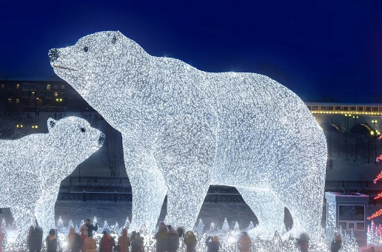 | Size in meters 10,00 x 14,00 x 6,16 (height x Lenght x Depth Structure and Materials Welded aluminum tube White Carpet Led strings Number of Leds 23640 Power Consuption 1700 Watts | POLAR BEAR AND TREE | 1 | 75,000 €
RBR 002 | MEDIUM BEAR | 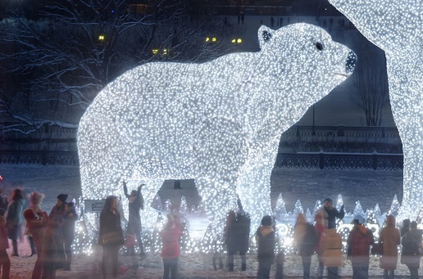 | Size in meters 5,66 x 8,00 x 3,27 (height x Lenght x Depth Structure and Materials Welded aluminum tube White Carpet Led strings Number of Leds 10200 Power Consuption 735 Watts |  | 1 | 35,000 €
RBR 003 | RGB TREE | 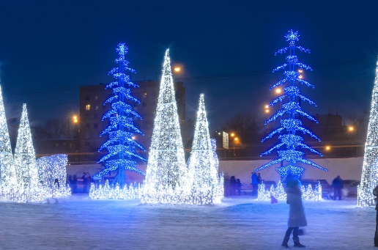 | Size in meters 10,00 x 3,50 x 3,50 (height x Lenght x Depth) Structure and Materials Welded aluminum tube RGB Leds Number of Leds 5990 RGB Leds Power Consuption 3145 Watts |  | 1 | 22,500 €
RBR 004 | ICE PYRAMID | 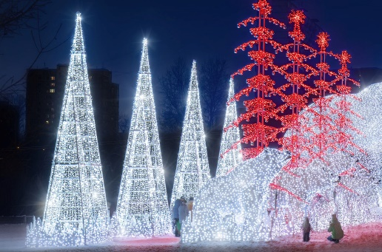 | Size in meters 8,40 x 3,50 x 2,00 (height x Lenght x Depth) Structure and Materials Welded aluminum tube Led strings Number of Leds 5100 Power Consuption 368 Watts |  | 1 | 8,000 €
RBR 005 | GORILLA | 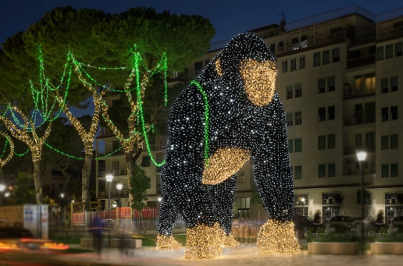 | Size in meters 8,00 x 8,50 x 4,85 (height x Lenght x Depth) Structure and Materials Gold aluminum Structure Black Carpet Led strings Number of Leds 24000 Power Consuption 1728 Watts | GORILLA | 1 | 57,500 €
RBR 006 | TIGER | 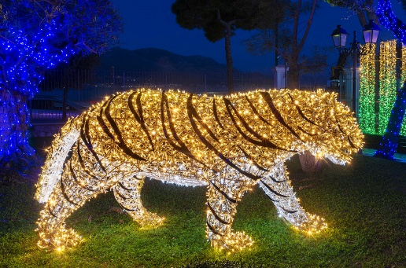 | Size in meters 1,50 x 3,50 x 0,80 (height x Lenght x Depth) Structure and Materials Gold and Black aluminum Structure Sheet Metal Led strings Number of Leds 3650 Power Consuption 263 Watts | ZOO LIGHT | 1 | 12,500 €
RBR 007 | LION | 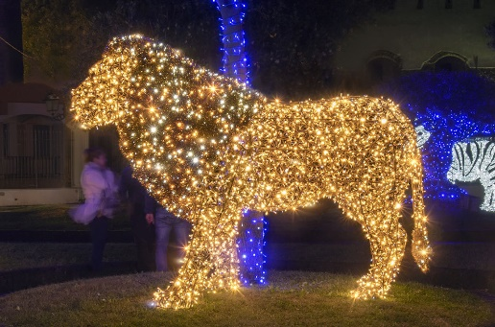 | Size in meters 2,20 x 3,20 x 1 (height x Lenght x Depth) Structure and Materials Gold aluminum Structure Sheet Metal Gold Carpet Led strings Number of Leds 5300 Power Consuption 382 Watts |  | 1 | 12,500 €
RBR 008 | LIONESS | 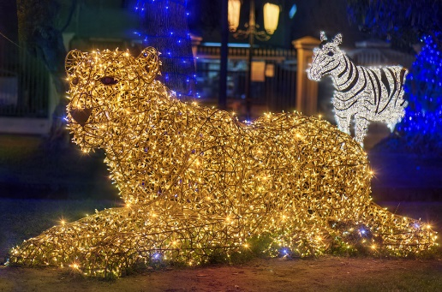 | Size in meters 1,45 x 3,60 x 1,10 (height x Lenght x Depth) Structure and Materials Gold Aluminum Structure White Carpet Led strings Number of Leds 4200 Power Consuption 303Watts |  | 1 | 12,500 €
RBR 009 | ELEPHANT | 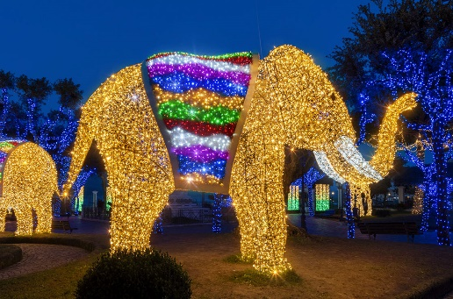 | Size in meters 3,45 x 5,80 x 2,20 (height x Lenght x Depth) Structure and Materials Gold aluminum tube Sheet Metal Coloured Carpet Led strings Number of Leds 13600 Power Consuption 1020 Watts |  | 1 | 19,500 €
RBR 010 | BUTTERFLY | 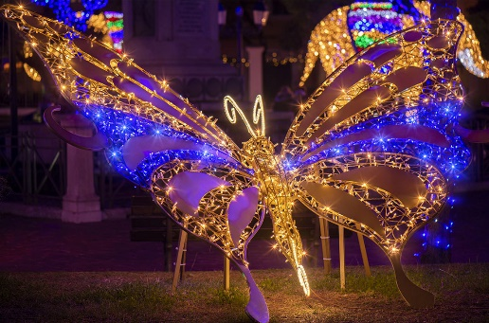 | Size in meters 2,20 x 2,65 x 2,75 (height x Lenght x Depth Structure and Materials Aluminum structure Sheet Metal Rope light Led strings Number of Leds 1000 Power Consuption 85 Watts |  | 1 | 7,500 €
RBR 011 | HIPPOPOTAMUS | 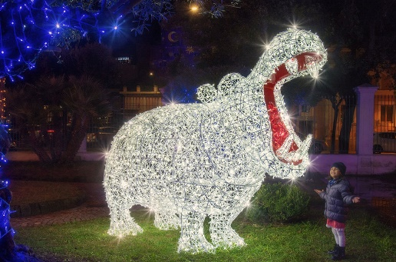 | Size in meters 2,35 x 3,30 x 1,2 (height x Lenght x Depth) Structure and Materials Aluminum Structure Red Sheet Metal Led strings Number of Leds 3000 Power Consuption 216 Watts |  | 1 | 15,000 €
RBR 012 | GIRAFFE | 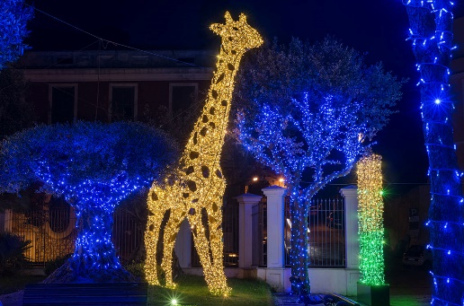 | Size in meters 6,00 x 4,40 x 1,30 (height x Lenght x Depth) Structure and Materials Gold Aluminum Structure Sheet Metal Led strings Number of Leds 6700 Power Consuption 485 Watts |  | 1 | 18,000 €
RBR 013 | RINOCHEROS | 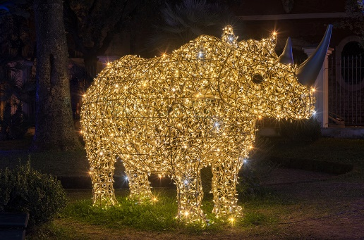 | Size in meters 1,80 x 3,30 x 1,15 (height x Lenght x Depth) Structure and Materials Gold Aluminum Structure Sheet Metal Led strings Number of Leds 3000 Power Consuption 216 Watts |  | 1 | 15,000 €
RBR 014 | ZEBRA | 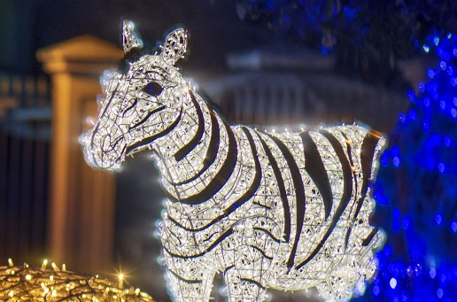 | Size in meters 2,40 x3,00 x 0,80 (height x Lenght x Depth) Structure and Materials Aluminum Structure Sheet Metal Led strings Number of Leds 22 Power Consuption 159 Watts |  | 1 | 14,000 €
RBR 015 | FLAMINGO | 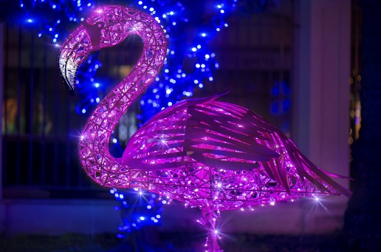 | Size in meters 1,50 x 0,85 x 0,50 (height x Lenght x Depth) Structure and Materials Painted Aluminum Structure Sheet Metal Led strings Number of Leds 600 Power Consuption 43Watts |  | 1 | 2,500 €
RBR 016 | BAMBOO STICKS | 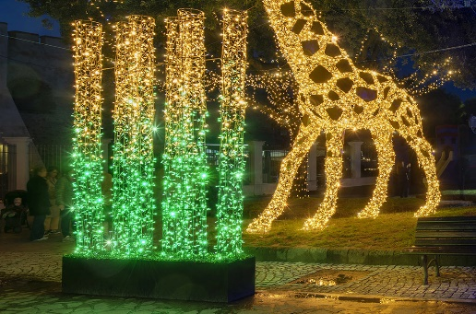 | Size in meters 3,50 x 2,40 x 0,40 (height x Lenght x Depth) Structure and Materials PaintedAluminum Structure Sheet Metal Led strings Number of Leds 3600 Power Consuption 260 Watts |  | 1 | 4,000 €
RBR 017 | OCTOPUS WITH GIFT | 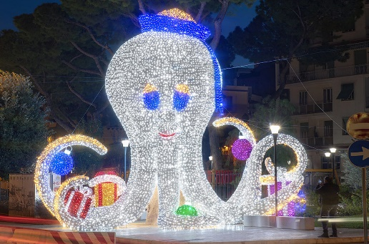 | Size in meters 8,50 x 4,00 x 8,00 (height x Lenght x Depth) Structure and Materials Aluminum Structure Carpet Led strings Number of Leds 37900 Power Consuption 2730 Watts | OCTUPUS GIFT | 1 | 50,000 €
RBR 018 | MAMMOTH | 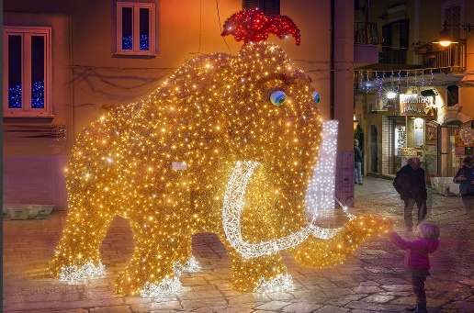 | Size in meters 3,90 x 5,45 x 3,00 (height x Lenght x Depth) Structure and Materials Aluminum Structure Gold and Red Carpet Robe light on the perimeter Led strings Number of Leds 6800 Power Consuption 490 Watts | MAMMOTH | 1 | 19,500 €
RBR 019 | SANTA CLAUS ROCKING | 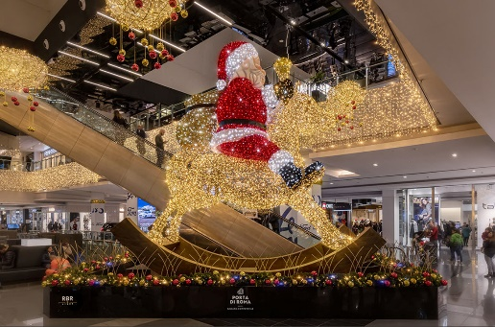 | Size in meters 7,99 x 7,95 x 3,70 (height x Lenght x Depth) Structure and Materials Gold Aluminum Structure Wood (fot the swing) Coloured Carpet Led strings Engine for the swinging Number of Leds 16000 Power Consuption 1152 Watts | ROCKING SANTA CLAUS | 1 | 55,000 €
RBR 020 | CARILLON | 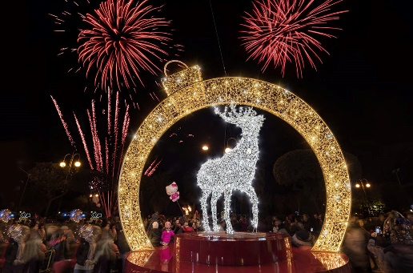 | Size in meters 7,00 x 5,50 x 4,00 (height x Lenght x Depth) Structure and Materials Gold and Gray Aluminum Structure Plinth base: Aluminum composite red panel Led strings Number of Leds 13000 Power Consuption 1500 Watts | CARILLON | 1 | 28,000 €
RBR 021 | FLYING REINDEER | 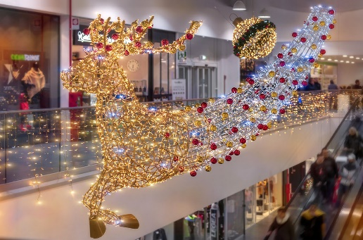 | Size in meters 3,17 x 5,00 x 2,00 (height x Lenght x Depth) Structure and Materials Gold Aluminum Structure Sheet Metal Led strings Number of Leds 3600 Power Consuption 260 Watts | MALL DECORATION | 1 | 8,500 €
RBR 022 | BALL WITH GARLANDS | 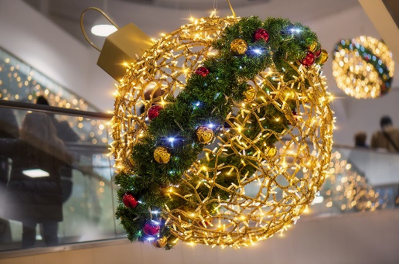 | Size in meters 1,30 x 1,05 x 1,05 (height x Lenght x Depth) Structure and Materials Gold Aluminum Structure Green Garlands PVC balls Led strings Number of Leds 1000 Power Consuption 72 Watts |  | 1 | 1,300 €
RBR 023 | RIBBON TREE | 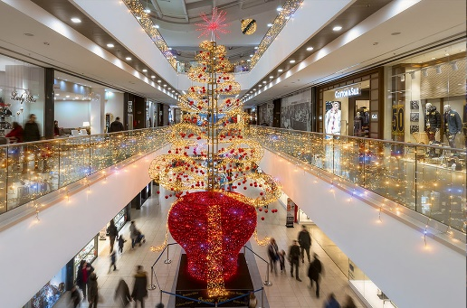 | Size in meters 10,00 x 4,50 x 4,50 (height x Lenght x Depth) Structure and Materials Aluminum Structure Red Carpet Led strings + flashes Number of Leds 10500 Leds - 275 RGB Leds Power Consuption 800 Watts |  | 1 | 20,200 €
RBR 024 | GIFT BOX | 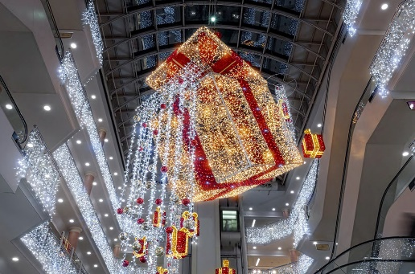 | Size in meters 4,00 x 4,00 x 4,00 (height x Lenght x Depth) Structure and Materials Gold Aluminum Structure Red Carpet Led strings Number of Leds 10600 Power Consuption 765 Watts | GIFT BOX | 1 | 9,500 €
RBR 025 | SHOPPERS | 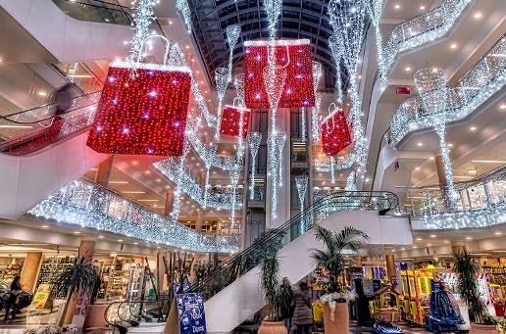 | Size in meters (height x Lenght x Depth) Shopper 3,50 x 2,00 x 0,70 Structure and Materials Aluminum Structure Red and White Carpet Led strings Rope light Number of Leds Small Shopper 1600 Power Consuption Shopper 205 Watts |  | 1 | 5,200 €
RBR 026 | CLOUD | 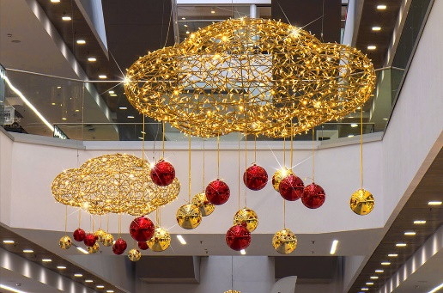 | Size in meters 1,30 x 2,05 x 0,95 (height x Lenght x Depth) Structure and Materials Gold Aluminum Structure N. 14 balls in red and gold pvc, diam 20 cm Led strings Number of Leds 1500 Power Consuption 108 Watts | CLOUD | 1 | 1,500 €
RBR 027 | RGB STARS | 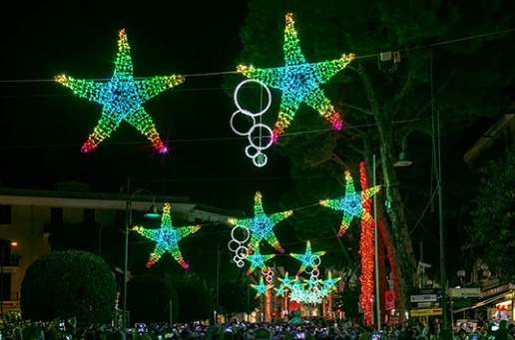 | Size in meters 2,00 x 2,00 x 0,25 (height x Lenght x Depth) Structure and Materials Weld Aluminum Tube RGB Leds Number of Leds 625 Power Consuption 375 Watts |  | 1 | 2,200 €
RBR 028 | CORAL TREE | 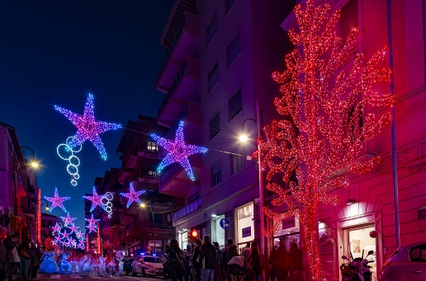 | Size in meters 10,00 x 5,84 x 0,15 (height x Lenght x Depth) Structure and Materials Aluminum Structure Led strings Number of Leds 5900 Power Consuption 425 Watts |  | 1 | 8,700 €
RBR 029 | SHAPES | 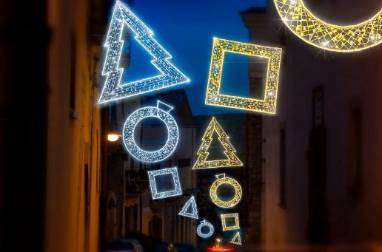 | Size in meters 2,00 x 2,00 (height x Lenght) Structure and Materials Aluminum Structure Led strings Rope light on the perimeter Number of Leds 400 Power Consuption 90 Watts | SHAPES | 1 | 400 €
RBR 030 | WARM TREE | 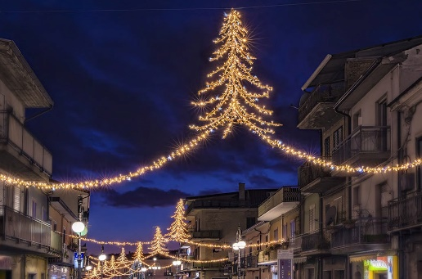 | Size in meters 2,35 x 3,20 (height x Lengh) Structure and Materials Gold Aluminum Structure Led strings Number of Leds 900 Power Consuption 65 Watts | WARM TREE | 1 | 1,400 €
RBR 031 | ICE BRANCH | 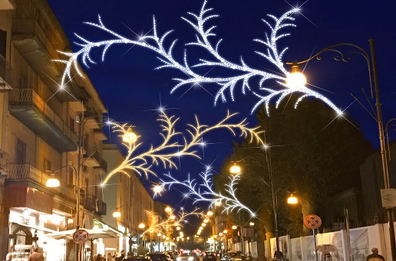 | Size in meters 2,00 x 1,60 x 1,60 (height x Lenght x Depth) Structure and Materials Gold Aluminum Structure Led strings Number of Leds 1200 Power Consuption 87 Watts |  | 1 | 650 €
RBR 032 | SMALL BUTTERFLY | 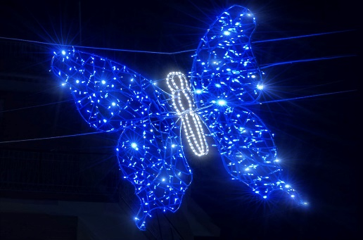 | Size in meters 1,70 x 1,50 x 0,50 (height x Lenght x Depth) Structure and Materials Aluminum Structure Rope Light Led strings Number of Leds 500 Power Consuption 42 Watts | FLOWERS | 1 | 350 €
RBR 033 | DAISY | 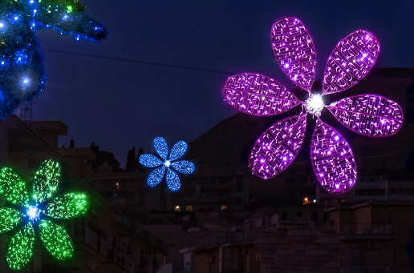 | Size in meters 1,70 x 1,70 x 0,30 (height x Lenght x Depth) Structure and Materials Aluminum Structure Led strings Number of Leds 400 Power Consuption 29 Watts |  | 1 | 350 €
RBR 034 | FLOWERS | 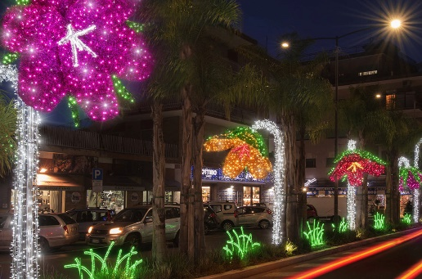 | Size in meters Big Flower 5,80 x 1,85 x 1,00 (height x Lenght x Depth) Small Flower 4,30 x 1,85 x 1,00 (height x Lenght x Depth) Structure and Materials Aluminum Structure Coloured Carpet Led strings Number of Leds Big Flower 1700 Big Small 1500 Power Consuption Big Flower 125 Watts Small Flawer 108 Watts |  | 1 | 3,200 €
RBR 035 | CROSSABLE BALL | 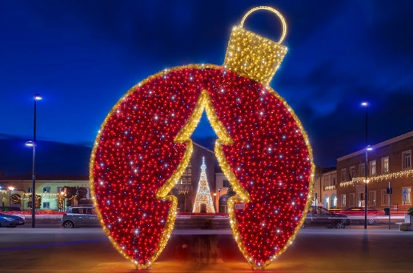 | Size in meters 5,50 x 4,00 x 1,00 (height x Lenght x Depth) Structure and Materials Aluminum Structure Red and Gold Carpet Led strings Rope light Number of Leds 3600 Power Consuption 280 Watts | CROSSABLE BALL | 1 | 6,500 €
RBR 036 | CROSSABLE FRAME | 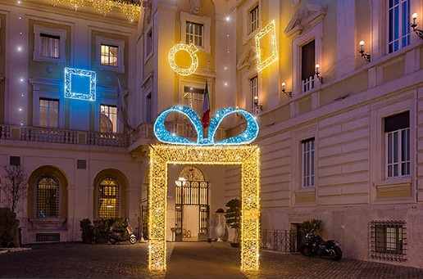 | Size in meters 5,45 x 4,50 x 0,50 (height x Lenght x Depth) Structure and Materials Aluminum Structure Light Blue Carpet Led strings + flashes Rope light Number of Leds 6300 Power Consuption 500 Watts | CROSSABLE FRAME | 1 | 4,000 €
RBR 037 | CROSSABLE STAR | 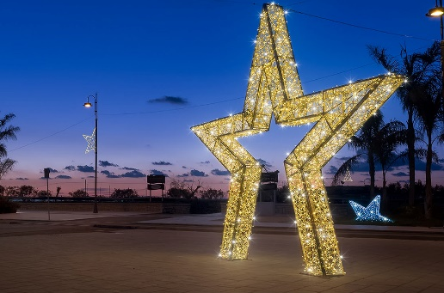 | Size in meters 5,50 x 5,00 x 0,40 (height x Lenght x Depth) Structure and Materials Gold Structure Led strings + flashes Number of Leds 6200 Power Consuption 500 Watts |  | 1 | 5,000 €
RBR 038 | MAGIC TRAIN | 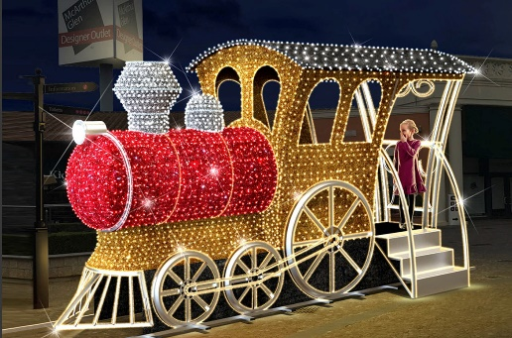 | Size in meters 2,85 x 4,90 x 2,20 (height x Lenght x Depth) Structure and Materials GoldAluminum Structure Coloured Carpet Led strings + flashes Rope light on the perimeter Number of Leds 2800 Power Consuption 202 Watts |  | 1 | 12,650 €
RBR 039 | RGB TREE | 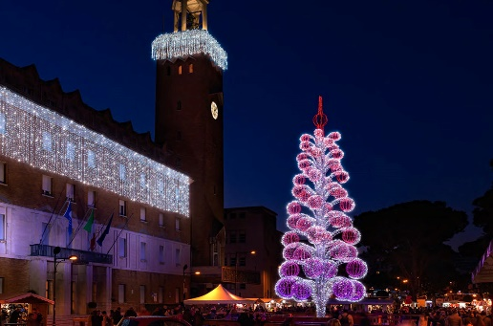 | Size in meters 18,00 x 7,00 x 7,00 (height x Lenght x Depth) Structure and Materials Aluminum Structure RGB Leds Led strings Number of Leds 10000 RGB - 25000 Could White Power Consuption 6800 Watts ( max) | RGB TREE | 1 | 57,500 €
RBR 040 | PYRAMIDS TREE | 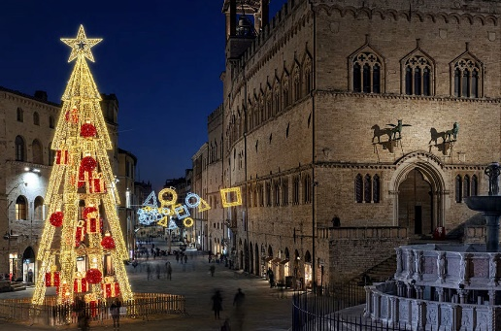 | Size in meters 18,00 x 6,00 x 6,00 (height x Lenght x Depth) Structure and Materials Gold Aluminum Structure Red and Gold Carpet Led strings Rope light Number of Leds 18000 Power Consuption 1500 Watts | PYRAMID TREE | 1 | 40,250 €
RBR 041 | CHRISTMAS TREE | 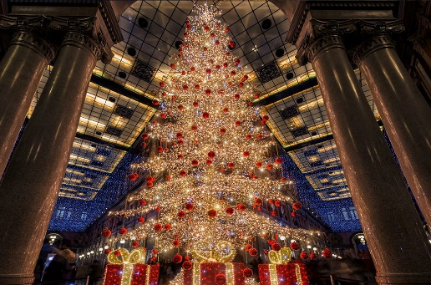 | Size in meters 10,00 x 4,00 x 4,00 (height x Lenght x Depth) Structure and Materials Gold Aluminum Structure Red and Gold Carpet Led strings N.250 balls, red pvc diam. 15 cm Number of Leds 13200 Power Consuption 950 Watts | CHRISTMAS TREE | 1 | 15,500 €
RBR 042 | SMALL PYRAMID TREE | 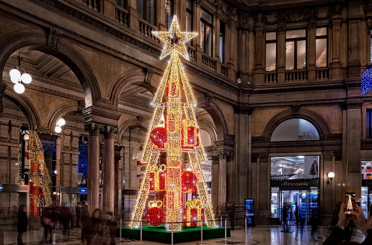 | Size in meters 10,00 x 3,50 x 3,50 (height x Lenght x Depth) Structure and Materials Aluminum Structure Red and Gold Carpet Led strings Rope light Number of Leds 16500 Power Consuption 1300 Watts | SMALL PYRAMID TREE | 1 | 17,250 €
RBR 043 | SWEET TEDDY | 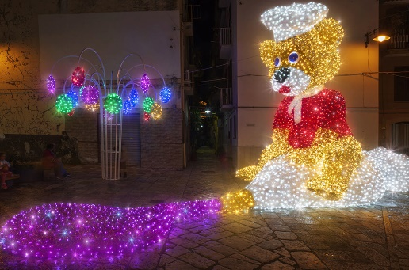 | Size in meters 5,22 x 11,00 x 3,10 (height x Lenght x Depth) Structure and Materials Aluminum Structure Coloured Carpet Led strings + flashes Number of Leds 11800 Power Consuption 688 Watts |  | 1 | 24,000 €
RBR 044 | SWEET HOUSE | 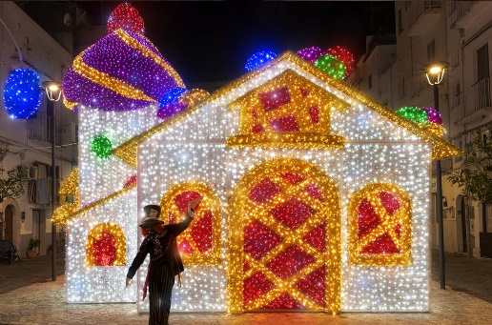 | Size in meters 7,28 x 8,70 x 6,23 (height x Lenght x Depth) Structure and Materials Aluminum Structure oloured Carpet Led strings + flashes Number of Leds 23100 Power Consuption 1344 Watts |  | 1 | 48,300 €
RBR 045 | SWEET TREE | 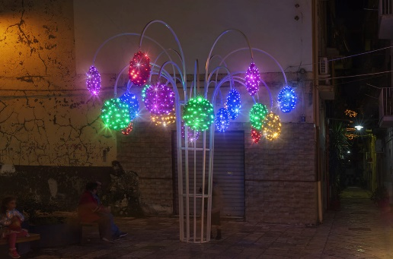 | Size in meters 4,82 x 3,79 x 4,21 (height x Lenght x Depth) Structure and Materials Aluminum Structure Colouired Carpet Led strings + flashes Number of Leds 1800 Power Consuption 130 Watts |  | 1 | 4,800 €
RBR 046 | HEART OF HANDS | 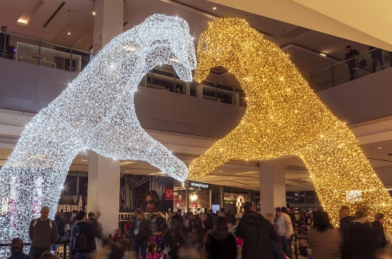 | Size in meters 7,00 x 12,50 x 3,70 (height x Lenght x Depth) Structure and Materials Gold and White Aluminum Structure Led strings Number of Leds 28800 Power Consuption 2080 Watts | HEART OF HANDS | 1 | 46,000 €
RBR 047 | CROSSABLE HEART | 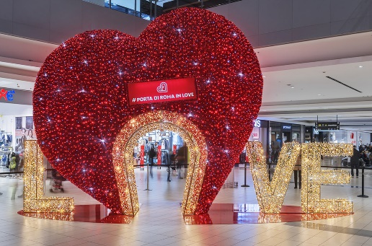 | Size in meters 5,30 x 8,20 x 2,50 (height x Lenght x Depth) Structure and Materials Gold Aluminum Structure Red Carpet Led strings Number of Leds 23700 Power Consuption 1705 Watts | CROSSABLE HEART | 1 | 34,500 €
RBR 048 | HALLOWEEN PUMPKIN | 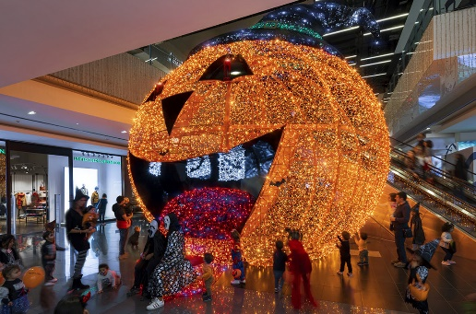 | Size in meters 5,50 x 6,70 x 6,67 (height x Lenght x Depth) Structure and Materials Welded Aluminum Structure Sheet Metal Coloured Carpet Led strings Number of Leds 25200 Power Consuption 1820 Watts | HALLOWEEN PUMPKIN | 1 | 40,250 €
RBR 049 | FRIENDLY RABBIT | 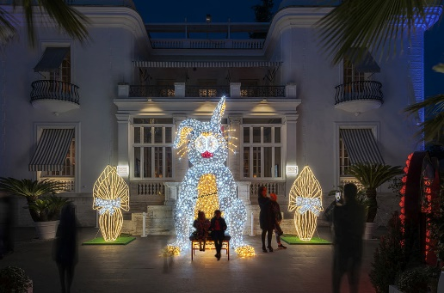 | Size in meters 4,50 x 3,90 x 2,80 (height x Lenght x Depth) Structure and Materials Gold Aluminum Structure Silver Metallic Carpet Led strings Number of Leds 6300 Power Consuption 454 Watts | FRIENDLY RABBIT | 1 | 14,500 €
RBR 050 | LONG SLIDE | 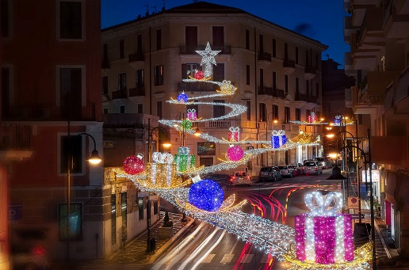 | Size in meters 20,00 x 400,00 x 1,20 (height x Lenght x Depth) Structure and Materials Welded Aluminum Structure Colourated Carpet Led strings Rope Light N. 46 Flowers - N. 23 Balls - N. 23 Gift Boxes Number of Leds 70000 Power Consuption 5040 Watts | LONG SLIDE | 1 | 270 € mtl
RBR 051 | SANTA CLAUS ON PIANO |  | Size in meters 3,60 x 6,00 x 3,60 (height x Lenght x Depth) Structure and Materials Welded Aluminum Structure Aluminum Sheet Coloured Carpet Led strings + flashes Number of Leds 8000 Power Consuption 577 Watts | CHRISTMAS CONCERT | 1 | 35,000 €
RBR 052 | REINDEER WITH DRUM |  | Size in meters 3,65 x 2,75 x 1,90 (height x Lenght x Depth) Structure and Materials Welded Aluminum Structure Aluminum Sheet Coloured Carpet Led strings + flashes Number of Leds 6100 Power Consuption 512 Watts |  | 1 | 22,000 €
RBR 053 | REINDEER WITH TRUMPET |  | Size in meters 3,65 x 2,24 x 1,95 (height x Lenght x Depth) Structure and Materials Welded Aluminum Structure Aluminum Sheet Coloured Carpet Led strings + flashes Number of Leds 6700 Power Consuption 483 Watts |  | 1 | 22,000 €
RBR 054 | REINDEER WITH ACCORDION |  | Size in meters 3,65 x 1,80 x 1,98 (height x Lenght x Depth) Structure and Materials Welded Aluminum Structure Aluminum Sheet Coloured Carpet Led strings + flashes Number of Leds 7100 Power Consuption 511 Watts |  | 1 | 22,000 €
RBR 055 | REINDEER WITH DOUBLE BASS |  | Size in meters 3,69 x 1,88 x 1,80 (height x Lenght x Depth) Structure and Materials Welded Aluminum Structure Aluminum Sheet Coloured Carpet Led strings + flashes Neon Flex led Number of Leds 6700 Power Consuption 514 Watts |  | 1 | 22,000 €
RBR 056 | NOTE |  | Size in meters 1,50 x 1,14 x 0,11 (height x Lenght x Depth) Structure and Materials Welded Aluminum Structure PVC Mirror Led strings + flashes Number of Leds 400 Power Consuption 30 Watts |  | 1 | 1,300 €
RBR 057 | NOTA 2D |  | Size in meters 1 x 0,5 x 0,15 (height x Lenght x Depth) Structure and Materials Aluminum Structure Leds string + flash Tube light Number of Leds - Power Consuption - |  | 1 | 180 €
RBR 058 | NOTE 3D BIG |  | Size in meters 5,00 x 4,50 x 1,50 (height x Lenght x Depth) Structure and Materials Aluminum Structure Leds string + flash + golden mirror Number of Leds - Power Consuption - |  | 1 | 9,780 €
RBR 059 | NOTE 3D SMALL |  | Size in meters 2,50 x 2,00 x 0,75 (height x Lenght x Depth) Structure and Materials Aluminum Structure Aluminum Sheet Leds string + flash Number of Leds - Power Consuption - |  | 1 | 4,800 €
RBR 060 | NOTE 3D PODIO |  | Size in meters 3,00 x 2,00 x 2,00 (height x Lenght x Depth) Structure and Materials Aluminum Structure Aluminum Sheet Leds string + flash Number of Leds - Power Consuption - |  | 1 | 4,800 €
RBR 061 | CARILLON TREE WITH REINDEERS |  | Size in meters Tree: 12,00 x 4,00 x 4,00 (height x Lenght x Depth) Reindeer: 3,17 x 5,00 x 2,00 (height x Lenght x Depth) Structure and Materials Aluminum Structure Green Garlands Sheet Metal Led strings + flashes Engine for the rotation Number of Leds 25500 tree 3600 1 reindeer (3pz. on this tree) Power Consuption 2800 Watts | CARILLON TREE | 1 | 50,000 €
RBR 062 | DOLPHIN |  | Size in meters 2,55 x 2,30 x 1,50 (height x Lenght x Depth) Structure and Materials Welded Aluminum tube Led strings Strip led RGB Number of Leds 3600 40m strip led rgb Power Consuption 500 Watts | UNDER WATER WORLD | 1 | 9,900 €
RBR 063 | SHARK |  | Size in meters 1,62 x 2,60 x 1,00 (height x Lenght x Depth) Structure and Materials Welded Aluminum Structure Aluminum Sheet Led strings Neon Flex Led Number of Leds 2200 Power Consuption 160 Watts |  | 1 | 8,500 €
RBR 064 | OCTOPUS |  | Size in meters 1,76 x 2,00 x 2,00 (height x Lenght x Depth) Structure and Materials Welded Aluminum Structure Aluminum Sheet Led strings Number of Leds 3600 Power Consuption 500 Watts |  | 1 | 8,350 €
RBR 065 | JELLYFISH SPLASH |  | Size in meters 5,27 x 2,80 x 2,80 (height x Lenght x Depth) Structure and Materials Welded Aluminum Structure Aluminum Sheet RGB Leds Led strings + flashes Strip led RGB Number of Leds 5600 90m strip led RGB Power Consuption 620 Watts |  | 1 | 19,500 €
RBR 066 | MANTA RAY TUNNEL |  | Size in meters 3,00 x 7,00 x 3,50 (height x Lenght x Depth) Structure and Materials Aluminum Structure Neon Flex led Led strings + flashes Number of Leds 6800 15m neon flex Power Consuption 640 Watts |  | 1 | 39,000 €
RBR 067 | SEAHORSE |  | Size in meters 2,60 x 1,00 x 1,00 (height x Lenght x Depth) Structure and Materials Welded Aluminum Structure Aluminum Sheet Led strings + flashes Number of Leds 1100 Power Consuption 80 Watts |  | 1 | 3,500 €
RBR 068 | NEMO FISH |  | Size in meters 2,40 x 4,20 x 1,00 (height x Lenght x Depth) Structure and Materials Aluminum Structure Aluminum Sheet Led strings Rope light Number of Leds 1800 Power Consuption 180 Watts |  | 1 | 9,100 €
RBR 069 | TURTLE |  | Size in meters 2,05 x 2,90 x 3,25 (height x Lenght x Depth) Structure and Materials Aluminum Structure Aluminum Sheet Led strings Number of Leds 2600 Power Consuption 190 Watts |  | 1 | 13,500 €
RBR 070 | PANEL ENTRANCE |  | Size in meters 4,00 x 4,00 x 0,30 (height x Lenght x Depth) Structure and Materials Aluminum Structure Neon Flex led Led strings + flashes Number of Leds 6800 + 15m neon flex Power Consuption 640 Watts |  | 1 | 5,550 €
RBR 071 | CHRISTMAS ARCH |  | Size in meters 4,75 x 13,45 x 5,50 (height x Lenght x Depth) Structure and Materials Aluminum Structure Gold Aluminum Sheet PVC Balls Garlands Leds string + flash Number of Leds - Power Consuption - |  | 1 | 1.000 € per Mt lineare
RBR 072 | RGB ARCH |  | Size in meters 3,65 x 6,00 x 3,00 (height x Lenght x Depth) Structure and Materials Gold Aluminum Structure Gold Aluminum Sheet Neon flex Leds string Number of Leds - Power Consuption - |  | 1 | 1.500 € per Mt lineare
RBR 073 | STYLIZED NUTCRAKER |  | Size in meters 4,20 x 1,05 x 0,95 (height x Lenght x Depth) Structure and Materials Aluminum Structure Aluminum Sheet Led strings + flashes Carpet Number of Leds 1800 Power Consuption 130 Watts |  | 1 | 7,500 €
RBR 074 | NUTCRAKER 3D |  | Size in meters 4,20 x 1,05 x 0,95 (height x Lenght x Depth) Structure and Materials Aluminum Structure Aluminum Sheet Led strings + flashes Number of Leds 1800 Power Consuption 130 Watts |  | 1 | 12,500 €
RBR 075 | FOOTBALL |  | Size in meters 4,00 x 3,00 x 3,00 (height x Lenght x Depth) Structure and Materials Aluminum Structure Strip led RGB Leds string Number of Leds - Power Consuption - |  | 1 | 7,500 €
RBR 076 | GIANT BALL |  | Size in meters 5,00 x 4,00 x 4,00(height x Lenght x Depth) Structure and Materials Aluminum Structure Strip led RGB Leds string Number of Leds - Power Consuption - |  | 1 | 9,500 €
RBR 077 | WALK THROUGH CHRISTMAS BALL |  | Size in meters 5,5 x 3,5 x 3,5 (height x Lenght x Depth) Structure and Materials Aluminum Structure Leds string + flash Number of Leds - Power Consuption - |  | 1 | 10,500 €
RBR 078 | TREE MIRRORS |  | Size in meters 6,00 x 3,00 x 3,00 (height x Lenght x Depth) Structure and Materials Aluminum Structure Leds string + flash golden mirror Number of Leds - Power Consuption - |  | 1 | 12,500 €
RBR 079 | LIGHT FOUNTAIN SMALL |  | Size in meters 3,50 x 5,10 x 5,10 (height x Lenght x Depth) Structure and Materials Aluminum Structure Aluminum Sheet Leds string + flash Number of Leds 5400 380m strip led RGB Power Consuption 1900W | Price without podium | 1 | 13,000 €
RBR 080 | LIGHT FOUNTAIN BIG |  | Size in meters 5,50 x 5,10 x 5,10 (height x Lenght x Depth) Structure and Materials Aluminum Structure Strip led RGB Leds string Number of Leds 7200 440m strip led rgb Power Consuption 2300 W | Price without podium | 1 | 16,500 €
RBR 081 | 3D BALL BENCH |  | Size in meters 2,6 x 2,3 x 1,6 (height x Lenght x Depth) Structure and Materials Aluminum Structure Aluminum Sheet Leds string + flash Carpet Number of Leds 3800 Power Consuption 290 Watts |  | 1 | 7,500 €
RBR 082 | SANTA CLAUS BOOK |  | Size in meters (only book) 6,50 x 4,70 x 4,70 (height x Lenght x Depth) Structure and Materials Aluminum Structure Aluminum Sheet Backlit Opaline Carpet Leds string Neon Flex Number of Leds 30500 100m neon flex Power Consuption 3100W |  | 1 | 42,000 €
RBR 083 | BEAR WITH SKI |  | Size in meters 4,00 x 3,30 x 3,00 (height x Lenght x Depth) Structure and Materials Aluminum Structure Aluminum Sheet Red and White Carpet Leds string Rope light around the skis Number of Leds 6000 Power Consuption 500W |  | 1 | 13,500 €
RBR 084 | BEAR WITH BENCH |  | Size in meters 2,80 x 2,50 x 2,00 (height x Lenght x Depth) Structure and Materials Aluminum Structure Aluminum Sheet Red and Gold Carpet Led strings Carpet Number of Leds 4500 Power Consuption 325W |  | 1 | 11,000 €
RBR 085 | REINDEER TEDDY |  | Size in meters 5,50 x 5,30 x 1,00 (height x Lenght x Depth) Structure and Materials Aluminum Structure Aluminum Sheet Rope Light Led Leds string Number of Leds 7900 Power Consuption 800 Watts |  | 1 | 11,000 €
RBR 086 | HEART |  | Size in meters 2,50 x 3,00 x 1,00 (height x Lenght x Depth) Structure and Materials Aluminum Structure Aluminum Sheet Neon Flex Led Leds string + flash Number of Leds - Power Consuption - |  | 1 | 5,500 €
RBR 087 | TEDDY 3D |  | Size in meters 3,00 x 2,00 x 1,00 (height x Lenght x Depth) Structure and Materials Aluminum Structure Aluminum Sheet Neon Flex Led Leds string + flash Number of Leds - Power Consuption - |  | 1 | 5,650 €
RBR 088 | 3D GIFT |  | Size in meters 3,00 x 2,30 x 2,30 (height x Lenght x Depth) Structure and Materials Aluminum Structure Aluminum Sheet Neon Flex Led Leds string + flash Number of Leds - Power Consuption - |  | 1 | 6,200 €
RBR 089 | WALK THROUGH DEER |  | Size in meters 4,50 x 3,00 x 1,50 (height x Lenght x Depth) Structure and Materials Aluminum Structure Aluminum Sheet Leds string + flash Number of Leds - Power Consuption - |  | 1 | 6,500 €
RBR 090 | TEDDY |  | Size in meters 5,50 x 5,00 x 1,50 (height x Lenght x Depth) Structure and Materials Aluminum Structure Aluminum Sheet Leds string + flash Number of Leds - Power Consuption - |  | 1 | 8,600 €
RBR 091 | SEATING CRYSTAL |  | Size in meters 3,50 x 3,00 x 1,00 (height x Lenght x Depth) Structure and Materials Aluminum Structure Aluminum Sheet Leds string + flash Number of Leds - Power Consuption - |  | 1 | 7,500 €
RBR 092 | REINDEER 2D WITH BIRDS |  | Size in meters 3,5 x 3,5 x 1 (height x Lenght x Depth) Structure and Materials Aluminum Structure Rope Light Led PVC Balls Leds string + flash Number of Leds - Power Consuption - |  | 1 | 5,800 €
RBR 093 | SPLIT CONE RED TREE |  | Size in meters 11,00 x 7,60 x 6,00 (height x Lenght x Depth) Structure and Materials Aluminum Structure Leds string + flash Carpet Number of Leds 42000 Power Consuption 6050W |  | 1 | 50,000 €
RBR 094 | RGB MIRROR SPLIT TREE |  | Size in meters 8,00 x 6,50 x 5,00 (height x Lenght x Depth) Structure and Materials Aluminum Structure Aluminum Sheet Leds string + flash Number of Leds - Power Consuption - | MIRROR SPIT TREE RGB | 1 | 42,000 €
RBR 095 | CHANDELIER TREE WITH BALLS |  | Size in meters 11,00 x 3,50 x 3,50 (height x Lenght x Depth) Big 6,5 x 3,20 x 3,20 (height x Lenght x Depth) Small Structure and Materials Aluminum Structure Aluminum Sheet Led strings 196 PVC Balls (Big) 137 PVC Balls (Small) Number of Leds 15300 8000 Power Consuption 1100 Watts (Big) 600 Watts (Small) | CHANDELIER TREE WITH BALLS | 1 | 32.000 € 22.500 €
RBR 096 | CHANDELIER TREE WITH BALLS |  | Size in meters 2,00 x 1,50 x 1,50 (height x Lenght x Depth) Structure and Materials Aluminum Structure Aluminum Sheet Led strings 61 PVC Balls Number of Leds 800 Power Consuption 100 Watts |  | 1 | 2,200 €
RBR 097 | ARCH BALL |  | Size in meters 4,00 x 6,30 x 1,00 (height x Lenght x Depth) Structure and Materials Aluminum Structure Alluminum Sheet PVC Balls Leds string Rope light Number of Leds 6400 Power Consuption 470W |  | 1 | 7,500 €
RBR 098 | EIFFEL TOWER |  | Size in meters 12,00 x 5,00 x 5,00 (height x Lenght x Depth) Structure and Materials Aluminum Structure Aluminum Sheet RGB Leds Number of Leds - Power Consuption - | EIFFEL TOWER | 1 | 34,500 €
RBR 099 | PYRAMID |  | Size in meters 7,00 x 10,00 x 10,00 (height x Lenght x Depth) Structure and Materials Gold Aluminum Structure GoldAluminum Sheet Led strings + flashes Number of Leds 35000 Power Consuption 2520 Watts | PYRAMID AND SPHINX | 1 | 45,000 €
RBR 100 | SPHINX |  | Size in meters 3,35 x 9,60 x 2,20 (height x Lenght x Depth) Structure and Materials Aluminum Structure Coloured Aluminum Sheet Led strings + flashes Number of Leds 10500 Power Consuption 756 Watts |  | 1 | 16,000 €
RBR 101 | PISA TOWER |  | Size in meters 8,90 x 2,50 x 2,50 (height x Lenght x Depth) Structure and Materials Aluminum Structure Aluminum Sheet Led strings 105 Rope light Neon flex Number of Leds 10500 led 122 m rope light 6m neon flex Power Consuption 1050 Watts | PISA TOWER | 1 | 42,500 €
RBR 102 | T-REX |  | Size in meters 6,00 x 12,20 x 3,50 (height x Lenght x Depth) Structure and Materials Red Aluminum Structure Red Aluminum Sheet Led strings + flashes Number of Leds 19200 Power Consuption 1385 Watts | T_REX | 1 | 50,000 €
RBR 103 | BRONTOSAURUS |  | Size in meters 2,80 x 11 x 1,50 (height x Lenght x Depth) Structure and Materials Green Aluminum Structure Green Aluminum Sheet Led strings + flashes Number of Leds - Power Consuption - |  | 1 | 29,500 €
RBR 104 | STEGOSAURUS |  | Size in meters 2,70 x 5 x 1,30 (height x Lenght x Depth) Structure and Materials Pink Aluminum Structure Pink Aluminum Sheet Led strings + flashes Number of Leds - Power Consuption - |  | 1 | 24,500 €
RBR 105 | TRICERATOPS |  | Size in meters 2,46 x 5 x 2,00 (height x Lenght x Depth) Structure and Materials Blue Aluminum Structure BlueAluminum Sheet Led strings + flashes Number of Leds - Power Consuption - Watts |  | 1 | 21,500 €
RBR 106 | SITTING SANTA CLAUS |  | Size in meters 7,40 x 5,20 x 4,30 (height x Lenght x Depth) Structure and Materials Aluminum Structure Sluminum Sheet Led strings + flashes Number of Leds 20700 Power Consuption 1490 Watts | SITTING SANTA | 1 | 75,000 €
RBR 107 | SITTING SANTA CLAUS SMALL |  | Size in meters 5,00 x 3,50 x 2,80 (height x Lenght x Depth) Structure and Materials Aluminum Structure Sluminum Sheet Led strings + flashes Number of Leds 14800 Power Consuption 1065 Watts |  | 1 | 52,500 €
RBR 108 | SANTA WITH SLEIGH AND 4 REINDEERS |  | Size in meters Santa: 3,30 x 4,90 x 3,50 (height x Lenght x Depth) 4 Reindeer: 3,60 x 2,50 x 2,20 (height x Lenght x Depth) Structure and Materials Aluminum Structure Aluminum Sheet Led strings + flashes Number of Leds 10800 Power Consuption 778 Watts | SANTA WITH SLEIGH | 1 | Santa with sleigh 36000 € 1 Reindeer 8000 €
RBR 109 | CANDLE |  | Size in meters 7,00 x 3,00 x 3,00 (height x Lenght x Depth) Structure and Materials Aluminum Structure Aluminum Sheet Garlands PVC Balls Carpet Led strings + flashes Number of Leds 5600 Power Consuption 404 Watts |  | 1 | 14,000 €
RBR 110 | BELL |  | Size in meters 5,00 x 4,00 x 4,00 (height x Lenght x Depth) Structure and Materials Aluminum Structure Aluminum Sheet PVC Balls Led strings + flashes Number of Leds 6400 Power Consuption 460 Watts |  | 1 | 16,000 €
RBR 111 | KICKING ELK |  | Size in meters 8,00 x 9,00 x 4,20 (height x Lenght x Depth) Structure and Materials Aluminum Structure Aluminum Sheet Led strings + flashes Number of Leds 14800 Power Consuption 1065 Watts | ELK DEER AND WOLF | 1 | 55,000 €
RBR 112 | DEER FAMILY |  | Size in meters Big: 7,30 x 8,90 x 5,40 (height x Lenght x Depth) Small: 3,00 x 3,55 x 1,20 (height x Lenght x Depth) Structure and Materials Aluminum Structure Aluminum Sheet Led strings + flashes Number of Leds Big: 13800 Small: 5000 Power Consuption Big: 994 Watts Small: 360 Watts |  | 1 | 45.000 € 13.000 €
RBR 113 | WOLF HOWLING |  | Size in meters 6,00 x 7,50 x 1,80 (height x Lenght x Depth) Structure and Materials Aluminum Structure Aluminum Sheet Led strings + flashes Number of Leds 12900 Power Consuption 930 Watts |  | 1 | 42,000 €
RBR 114 | DRAGON |  | Size in meters 4,65 x 13,90 x 5,15 (height x Lenght x Depth) Structure and Materials Aluminum Structure Aluminum Sheet Led strings + flashes Number of Leds 20000 led Power Consuption 2985 Watts | DRAGON | 1 | 45,000 €
RBR 115 | SKIER RGB NO STAND |  | Size in meters 4,00 x 7,80 x 2,70 (height x Lenght x Depth) Structure and Materials Aluminum Structure Aluminum Sheet RGB Led Strings Neon flex Cold White 24 V Number of Leds 4000 RGB (skier) Power Consuption 700 W ( it depends by the scenography) | SKIER | 1 | 30,000 €
RBR 116 | SKIER NO STAND |  | Size in meters 4,00 x 7,80 x 2,70 (height x Lenght x Depth) Structure and Materials Aluminum Structure Aluminum Sheet Led Strings Neon flex Cold White Number of Leds 8000 (skier) Power Consuption 700 W |  | 1 | 25,000 €
RBR 117 | SKIER SMALL NO STAND |  | Size in meters 2,50 x 2,80 x 1,70 (height x Lenght x Depth) Structure and Materials Aluminum Structure Aluminum Sheet Led strings Neon flex Number of Leds 3400 12m neon flex Power Consuption 365 Watts |  | 1 | 18,500 €
RBR 118 | ICE SPIKE RGB (SET BY 4 PIECES) |  | Size in meters 4 x 0,60 x 0,60 (height x Lenght x Depth) 3,4 x 0,60 x 0,60 (height x Lenght x Depth) 2,9 x 0,60 x 0,60 (height x Lenght x Depth) 2,5 x 0,60 x 0,60 (height x Lenght x Depth) Structure and Materials Aluminum Structure Aluminum Sheet RGB Led Strings Number of Leds 2015 RGB Power Consuption 350/1000 Watts ( it depends by the scenography) |  | 1 | 5,500 €
RBR 119 | ICE SPIKE (SET BY 4 PIECES) |  | Size in meters 4 x 0,60 x 0,60 (height x Lenght x Depth) 3,4 x 0,60 x 0,60 (height x Lenght x Depth) 2,9 x 0,60 x 0,60 (height x Lenght x Depth) 2,5 x 0,60 x 0,60 (height x Lenght x Depth) Structure and Materials Aluminum Structure Aluminum Sheet Led Strings Number of Leds 3500 Power Consuption 350/1000 Watts ( it depends by the scenography) |  | 1 | 4,000 €
RBR 120 | GOLD HANGING CHRISTMAS TREE |  | Size in meters 7 x 4 x 4 (height x Lenght x Depth) Structure and Materials Aluminum Structure Aluminum Sheet Led strings Neon flex |  | 1 | 36,000 €
RBR 121 | 3D HANGING WREATH REINDEER |  | Size in meters 3,50 x 3,50 x 2,19 (height x Lenght x Depth) Structure and Materials Aluminum Structure Aluminum Sheet Led strings Neon flex Number of Leds 5600 40 m neon flex Power Consuption Watts |  | 1 | 16,000 €
RBR 122 | 3D HANGING BALL |  | Size in meters 3,26 x 2,83 x 2,83 (height x Lenght x Depth) Structure and Materials Aluminum Structure Aluminum Sheet Led strings Neon flex Number of Leds 7200 40 m neon flex Power Consuption Watts |  | 1 | 14,500 €
RBR 123 | 3D HANGING HEART |  | Size in meters 3,00 x 3,50 x 1,20 (height x Lenght x Depth) Structure and Materials Aluminum Structure Aluminum Sheet Led strings Neon flex Number of Leds 3000 22m neon flex Power Consuption Watts |  | 1 | 15,000 €
RBR 124 | 2D SUBJECT ONE FACE |  | Size in meters 0,80 x 0,80 x 2 cm (height x Lenght x Depth) Structure and Materials Forex and Colored Dibond Neon flex Included one transformer each 3 toys Power Consuption 30 Watts 24 Volt | TOYS | 1 | 180 €
RBR 125 | 2D SUBJECT DOUBLE FACE |  | Size in meters 0,80 x 0,80 x 4 cm (height x Lenght x Depth) Structure and Materials Forex and Colored Dibond Neon flex Included one transformer each 2 toys Number of Leds m neon flex Power Consuption 50 Watts 24 Volt |  | 1 | 300 €
RBR 126 | RGB WHALE |  | Size in meters 3,00 x 3,50 x 1,20 (height x Lenght x Depth) Structure and Materials Aluminum Structure Aluminum Sheet RGB led light Number of Leds 9000 Power Consuption 200 Watts |  | 1 | 30,000 €
RBR 127 | RGB CHAMALEON WITH TRUNK |  | Size in meters 2.4 x 5 x 1,5 (height x Lenght x Depth) Structure and Materials Aluminum Structure Aluminum Sheet RGB lights Number of Leds Power Consuption Watts |  | 1 | 18,000 €
RBR 128 | SMALL SANTA WITH SLEIGH AND 3 REINDEERS |  | Size in meters 2,70 x 8,70 x 4 (height x Lenght x Depth) Structure and Materials Aluminum Structure Aluminum Sheet Led strings + flashes Carpet Number of Leds 9000 Power Consuption 675 Watts |  | 1 | 35,000 €
RBR 129 | Sitting Mirror Tree |  | Size in meters 370X 300 X 70 (height x Lenght x Depth) Structure and Materials Aluminum Structure Aluminum Sheet Led strings + flashes Rope Light Number of Leds 1800 Power Consuption 180 Watts |  | 1 | 9,500 €
RBR 130 | Gift Boxes composition |  | Size in meters H130 H90 H55 cm (height) Structure and Materials Aluminum Structure Aluminum Sheet Led strings + flashes Rope Light Number of Leds 1800 Power Consuption 180 Watts |  | 1 | 5,000 €
RBR 131 | Garland Red Balls |  | Size in meters H 1,50 mt each ball, Compistion H2,88 mt Structure and Materials Aluminum Structure Aluminum Sheet Led strings + flashes Rope Light Number of Leds 2400 Power Consuption 240 Watts |  | 1 | 7,500 €
 | Price excluded taxes transport and installing |  |  |  |  | ,

